Standard Reqs, Rules & Logic
KEY

Variable data = in brackets [ ] | ISPU = In-store pickup
Notes = in italics | SDD = Same-day delivery ("Delivery + Setup")

STANDRD RULESETS & LOGIC

Copy order convention on tiles | Fastest option always on top (i.e. ISPU), even if not available. Exception: If no selected filters are available, the product tile should not show on GW.

Pick up in-store at a later fulfillment date | When a product isn't immediately available in store, we know the date it will be available in the customer's nearest/chosen store.

2-day shipping (devices only) | 2-day shipping is always available to customers for all standard shipping scenarios. GW should not specify what type of 2-day shipping (free/included or paid). We want to avoid the scenario of saying "free/included" at GW level, then it changing to "paid 2-day shipping" due to device customization on the PDP.

Ground shipping | Ground shipping should never be mentioned on GW product tiles for standard fulfillment scenarios, because 2-day shipping (free and paid) is always available and the faster option. Paid 2-day shipping also shares the same requirements as ground shipping i.e. device/line upgrade.

When product tile doesn't show on GW based on "Get It Fast" selections - modal | 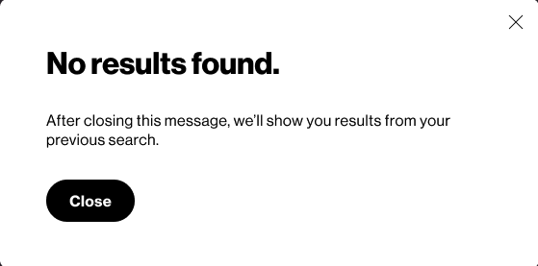 | Discuss with Jamie: Confirm if global or specific & can we improve modal copy?

